1. Title Page
[Project Name]

Project Name: Instacart Market Basket
Date: 19 Oct 2023
Analyst Name: Olanrewaju Tayo Oduwole

Contents:
Population Flow
Consistency checks
Wrangling steps
Column derivations
Visualizations
Recommendations

2. Population Flow
Title page

Population flow

Exclusion flag
Condition: max_order <
Obervations to be removed:
Final total count of order_products_all:

Orders_products_combined
Orders_products_merged
Orders_products_all

Total: 32,404,859
Total: 32434489
Total:32404859

1.) The grey boxes in the first row of the population flow represent the original data sets as they were when you downloaded them. In the Total fields you need to add the count of the rows when you imported the data set into Jupyter.
2.) The second row of boxes (coloured) represents the data sets after you manipulated them, e.g., removed missing values and duplicates. In the Total fields you need to add the count of the rows after conducting these operations. This offers a visual oveview of how the data flows throughout the data consistency checks.
3.) The third row, where also the arrows are coloured, represents the merges you performed between the datasets. In the Total fields you need to add the count of the rows in the merged datasets, so that you end up with the final dataset (in the red box). Keep in mind the final dataset should be without exclusions (based on the exclusion flag).

3. Consistency checks
 |  |  |  |  | Title page
Consistency checks

Dataset | Missing values | Missing values treatment | Duplicates
orders | no missing order | null | 0 duplicates detected
products | 16 product name are missing | Removed 16 missing values in the product_name column | 5 duplicates detected and removed
orders_products_prior | days_since_prior_order - 206209 values were null which was 6% of the data | I am not expecting value since it is first time customer is placing order. No treatment to the missing value | no duplicates found | 49677
customers | 11,259 missing values in customer first_name column | Each customer has a unique ID and first and last names will be removed, so these values were kept | no duplicates found

4. Wrangling steps
 |  |  |  | Title page
Wrangling steps

Columns dropped | Columns renamed | Columns' type changed | Comment/Reason
eval_set column dropped from orders |  |  | not meaningfull for analysis

 | order_dow renamed to orders_day_of_week |  | keep title format consistent
_merge column dropped from orders_products_combined |  |  | not needed for analysis
 | First Nam renamed to first_name in customers |  | keep title format consistent
 |  | transposed departments from horizontal dataset to vertical | to be in the format of the main file to merge
 | Surnam renamed to last_name in customers |  | keep title format consistent
unnamed column dropped from products |  |  | not needed for analysis
 | Age renamed to age in customers |  | keep title format consistent

first_name and last_name removed from customers |  |  | PII data, each customer has a unique ID so remove names
 | STATE renamed to state in customers |  | keep title format consistent

5. Column derivations
 |  |  |  |  | Title page

Column derivations and aggregations

In this tab you should add tables below that the frequences of flags/label variables that you produced after deriving them. NB: don't do this for continuous variables, only for flags.
Dataset | New column | Column/s it was derived from | Conditions | Frequency
ords_prods_merge | max_order | user_id and order_number | group orders_products_merged by user_id and calculate the max of order_number using max()Function
ords_prods_merge | loyalty_flag | max_order | if max_order is > 40 append 'Loyal customer' if max_order is > 10 & <=40 append 'Regular customer' if max_order is <=10 append 'New customer' | loyalty_flag frequency Regular customer 15877395 Loyal customer 10284396 New customer 6244250
ords_prods_merge | price_range_loc | price | if price <= 5 return 'Low-range product' if row prices are <=15 and > 15 return 'Mid-range product' if row prices > 15 return 'High range' | price_range_loc Mid-range product 21861997 Low-range product 10126366 High-range product 417678
ords_prods_merge | frequency_flag | med_frequency | if med_frequency > 20 append 'Non frequent customer' if med_frequency <= 20 and > 10 append 'Regular customer' if med_frequency < =10 append 'Frequent customer' | order_frequency_flag Frequent customer 24488104 Regular customer 6533740 Non-frequent customer 1384192
ords_prods_merge | spending_flag | mean_prices | if mean_prices < 10 append 'Low spender' if mean_prices > = 10 append 'Higher spender'' | spending_flag Higher spender 32374151 Low spender 31890
ords_prods_merge | busiest_day | orders_day_of_week | "if orders_day_of_week = 0 append ""Busiest day" if orders_day_of_week = 4 append ""Least busy" if else append ""Regularly busy" | Busiest day_flag Regularly busy 22417684 Busiest day 6204404 Least busy 3783953
ords_prods_merge | busiest_days | orders_day_of_week | "if orders_day_of_week = 0 append ""Busiest day" if orders_day_of_week = 4, =3 append ""Least busy" if else append ""Regularly busy" | Busiest days Regular busiest days 12916527 Busiest days 11864860 Lowest Busiest days 7624654
ords_prods_merge | busiest_period_of_day | order_hour_of_day | if order_hour_of_day = 10, 11, 14, 15, 13, 12, 16, or 9 append"Most orders" if order_hour_of_day = 17, 8, 18, 19, 20, 7, 21, 22 append "Average orders" if else append "Fewest orders" | busiest_period_of_day Most orders 21118857 Average orders 6754066 Fewest orders 4533118
ords_prods_custom | region | state | If state is 'Maine', 'New Hampshire', 'Vermont', 'Massachusetts', 'Rhode Island', 'Connecticut', 'New York', 'Pennsylvania', 'New Jersey', append 'Northeast' If state is 'Wisconsin', 'Michigan', 'Illinois', 'Indiana', 'Ohio', 'North Dakota', 'South Dakota', 'Nebraska', 'Kansas', 'Minnesota', 'Iowa', 'Missouri' then append 'Midwest' If state is 'Delaware', 'Maryland', 'District of Columbia', 'Virginia', 'West Virginia', 'North Carolina', 'South Carolina', 'Georgia', 'Florida', 'Kentucky', 'Tennessee', 'Mississippi', 'Alabama', 'Oklahoma', 'Texas', 'Arkansas', 'Louisiana' then append 'South' If state is 'Idaho', 'Montana', 'Wyoming', 'Nevada', 'Utah', 'Colorado', 'Arizona', 'New Mexico', 'Alaska', 'Washington', 'Oregon', 'California', 'Hawaii' then append 'West' | region South 10792300 West 8293217 Midwest 7597585 Northeast 5722939
Normal_activity_customer | age_group |  | f age <= 39 append 'Young adult if age > 39 and <= 65 append 'middle Adult ' if age 6> 5 append 'old Adult (50 | age_group Middle adult 9904058 young adult 8419266 old adult 6092397
Normal_activity_customer | income_distribution | income | "if income <= 67522 append 'Low income' if income > 67522 and <=128160 append 'Medium income' if income > 128160 append 'High income'" | income_distribution Middle income 12208041 low income 6103954 high income 6103726
Normal_activity_customer | family_profile | family_status | Normal_activity_customer.loc[(Normal_activity_customer['family_status'].isin(['single','living with parents and siblings','divorced/widowed'])) & (Normal_activity_customer['dependant_flag'] == 'has dependant') & (Normal_activity_customer['gender'] == 'Male'), 'family_profile'] = 'single male has children' Normal_activity_customer.loc[(Normal_activity_customer['family_status'].isin(['single','living with parents and siblings','divorced/widowed'])) & (Normal_activity_customer['dependant_flag'] == 'has dependant') & (Normal_activity_customer['gender'] == 'Female'), 'family_profile'] = 'single female has children' Normal_activity_customer.loc[(Normal_activity_customer['family_status'].isin(['single','living with parents and siblings','divorced/widowed'])) & (Normal_activity_customer['dependant_flag'] == 'no dependant') & (Normal_activity_customer['gender'] == 'Male'), 'family_profile'] = 'single male no children' Normal_activity_customer.loc[(Normal_activity_customer['family_status'].isin(['single','living with parents and siblings','divorced/widowed'])) & (Normal_activity_customer['dependant_flag'] == 'no dependant') & (Normal_activity_customer['gender'] == 'Female'), 'family_profile'] = 'single female no children' Normal_activity_customer.loc[(Normal_activity_customer['family_status'] == 'married') & (Normal_activity_customer['dependant_flag'] == 'has dependant') & (Normal_activity_customer['gender'] == 'Male'), 'family_profile'] = 'married male with children' Normal_activity_customer.loc[(Normal_activity_customer['family_status'] == 'married') & (Normal_activity_customer['dependant_flag'] == 'no dependant') & (Normal_activity_customer['gender'] == 'Male'), 'family_profile'] = 'married male no children' Normal_activity_customer.loc[(Normal_activity_customer['family_status'] == 'married') & (Normal_activity_customer['dependant_flag'] == 'has dependant') & (Normal_activity_customer['gender'] == 'Female'), 'family_profile'] = 'married female with children' Normal_ | family_profile married male with children 8630773 married female with children 8508261 single male no children 3057190 single female no children 3048067 single male has children 599740 single female has children 571690

6. Visualizations
 |  |  |  |  | Title page

Visualisations

In this tab you should include all the visualtions from Exercises 4.9 and 4.10, alongside the questions from the project brief that they answer. Include any commentary on the relationship between different variables.

 | The sales team needs to know what the busiest days of the week and hours of the
 | day are (i.e., the days and times with the most orders) in order to schedule ads at
 | times when there are fewer
 |  |  |  |  |  | most of the order are done between the of 4am and 10am
 | The busiest days of the week are Saturday and Sunday.
 | 0 and 1 represent Saturday and Sunday in repect to the breif
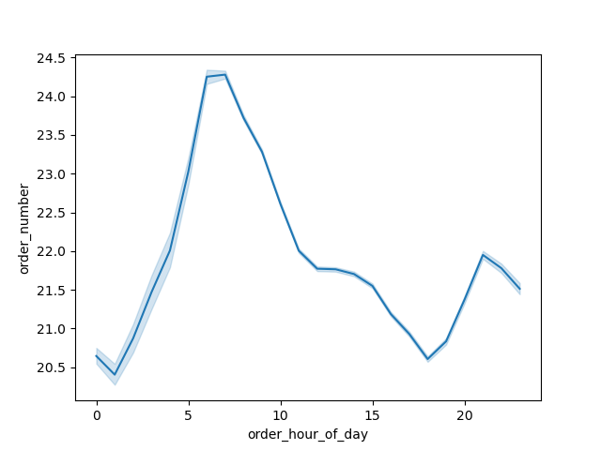

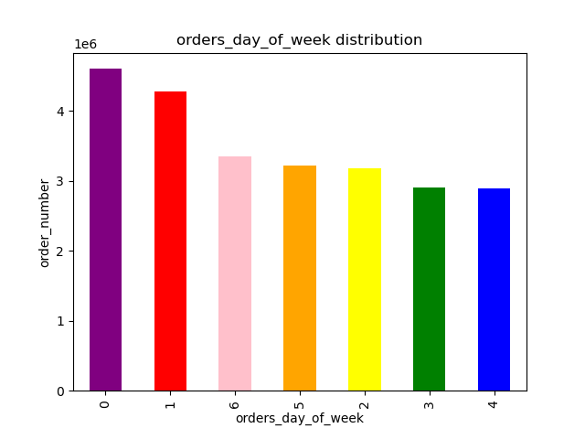

 | They also want to know whether there are particular times of the day when people
 | spend the most money, as this might inform the type of products they advertise at
 | these times

 | Price levels seem to vary greatly in the early morning hours from midnight to 7am.
 | The most expensive items are purchase around 2am.
 | During busiest shopping hours from 7am to 8pm, the prices are lower
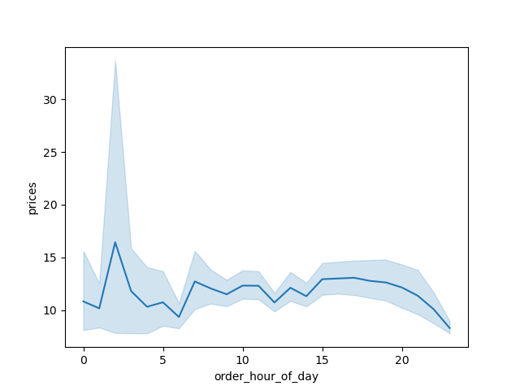

 | Instacart has a lot of products with different price tags. Marketing and sales want to
 | use simpler price range groupings to help direct their efforts.

 |  | Most of the products purchased range between $2 and $15 with very few product greater than $15.
 |  | Any promotions or advert or discount should focus on items in this price range.



 |  |  | Price Range Proposed
 |  |  | price_range_loc | Ramge | Number of product
 |  |  | Mid-range product | 5 to 15 | 16,480,252
 |  |  | Low-range product | <=5 | 7,626,782
 |  |  | High-range product | > 15 | 308,687

 | Are there certain types of products that are more popular than others? The marketing
 | and sales teams want to know which departments have the highest frequency of
 | product orders.

 |  | The graph shows the how popularity of product among others ,
 |  | produce is the most popular followed by dairy eggs and snack.

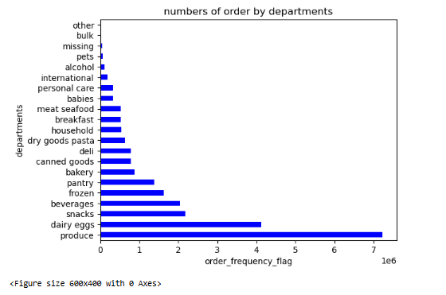

 | The marketing and sales teams are particularly interested
 | in the different types of customers in their system and how their ordering behaviors differ.

 |  | most customers are low spender across the region | The majority of customers are regular customers followed by loyal customers across the region
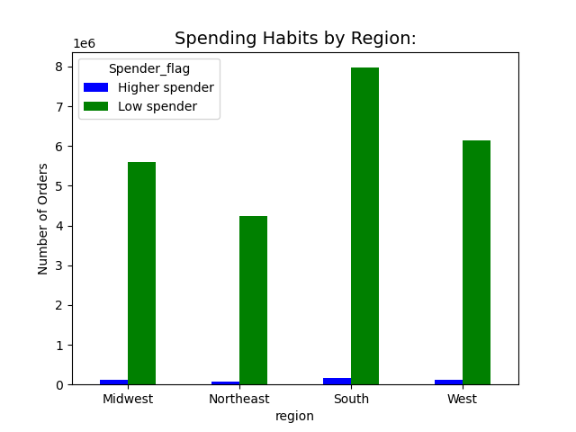
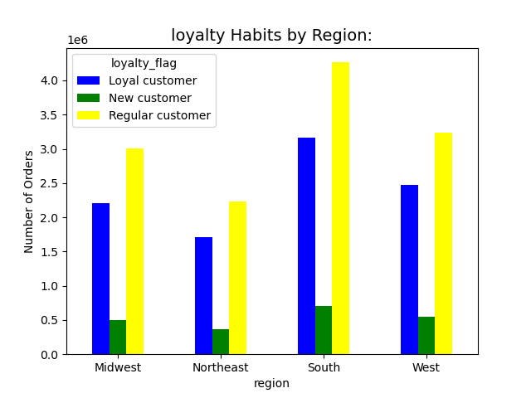

 | What’s the distribution among users in regards to their brand loyalty (i.e., how
 | often do they return to Instacart)

 | The regular customers return more often to reoderd there stock followed by loyal customers,
 | new customers has low frequency of return.



 | Are there differences in ordering habits based on a customer’s loyalty status?

 | The ordering habit has been the same. There is not much difference
 | Their orders are produce, dairy eggs, snacks, beverages and pantry. produce is the most ordered and least is bulk and pet.

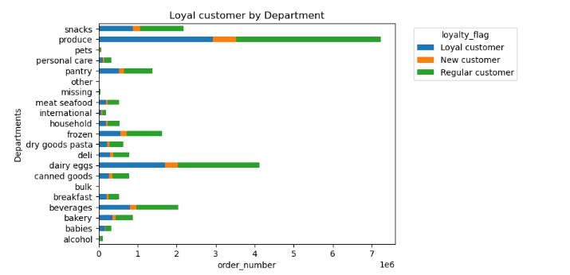

Are there differences in ordering habits based on a customer’s region?
 | No there preference are a still same

7. Recommendations
 |  |  | Title page

Recommendations

In this tab you should include any recommendations you would made to Instcart in terms of their marketing strategy based on the questions posed in the brief. Every key question has been covered in the Tasks of the Exercises - here you need to add an item - a visualisation or table/crosstable that is showing the answer in the data, acompanied by a comment from you. Please, list the questions below and add the answer underneath.

 | Question | Answer
Key Question 1 | They also want to know whether there are particular times of the day when people spend the most money, as this might inform the type of products they advertise at these times. | The busiest days tend to be Saturday and Sunday, while the slowest days are Thursdays and Mondays. instacat could consider running promotions on the slow days to attract customers. The peak hours tend to be from 8am to 9pm.instacat could consider running an 'earlybird' promotion in the early morning (6am to 8am) and another 'happy hour' promotion in the evenings (9-11pm). This could attract potential customers who are going into home or leaving work late
Key Question 2 | They also want to know whether there are particular times of the day when people spend the most money, as this might inform the type of products they advertise at these times. | Prices vary greatly in the early morning hours from midnight to 7am. Prices tend to be the lowest around 7am to 8pm which happend to be the busiest hour of order and at his pick at 2am. . This could be as a result that most of the customer base are married people with children who do their shopping with in those hours . instacat could run promotions or discount targetting this particular set of family status at those specific times in day.
Key Question 3 | Instacart has a lot of products with different price tags. Marketing and sales want to use simpler price range groupings to help direct their efforts. | Most of the products purchased range between $2 and $15 with very few product greater than $15. Any promotions or advert or discount should focus on items in this price range.
Key Question 4 | Are there certain types of products that are more popular than others? The marketing and sales teams want to know which departments have the highest frequency of product orders. | The most popular are produce, dairy eggs, snacks, beverages, and pantry items. The least popular are pet and bulk items.
Key Question 5 | The marketing and sales teams are particularly interested in the different types of customers in their system and how their ordering behaviors differ. | In terms of region, the West and South are the largest customer base, while the Northeast is the smallest. Also based on loyalty customers regular customers are more than loyal customers while new customers are few. instacat can introduce promo for new customers to attract them and also discounts for both loyal and regular customers.

